FAQ 2.0
THE HOW TO GUIDE

STEP 1. Date & Program Selection
The first thing we want to do is select the start date and the program and degree level for the student. Without the proper start date and program and degree level the sheet will present errors. If you see anything unusual that is the first thing to double check. By selecting the Start Date for the First Credential, the sheet will automatically recognize if we are in Crossover for the purpose of Pell.

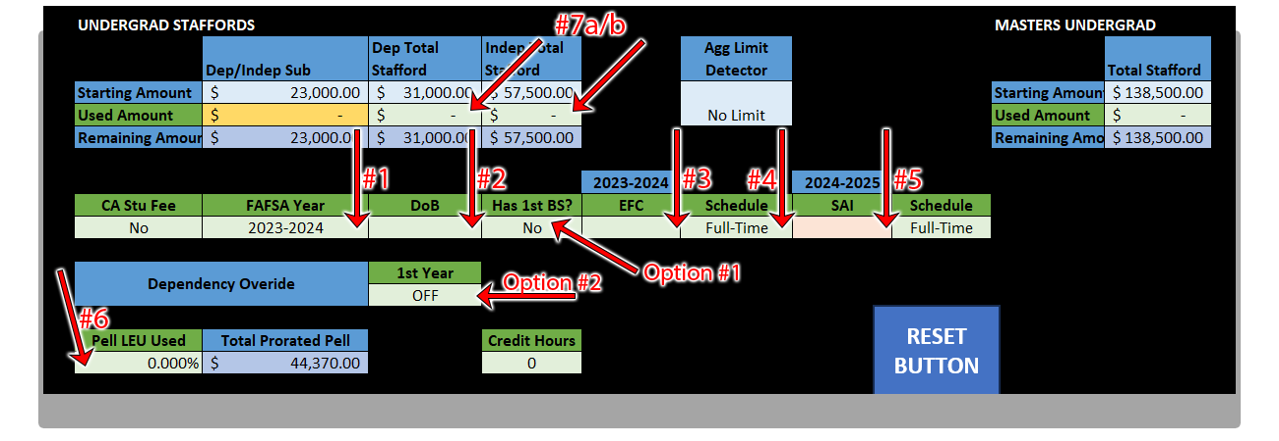
STEP 2. Data Dumping
1. We want to select the FASFA year the student is filing for, if the student is enrolling during Crossover, select the FIRST, ie if they are signing up during CO and the they have both 23/24 and 24/25, we select the 2023-2024 FASFA. 2. We enter the student's DoB. This allows the sheet to calculate if the student is going to become Independent at a later date during their enrollment and will auto calculate the additional Stafford Loans afforded to a Independent student. 3. Here we enter the 1st EFC or SAI score which must be the one from the FIRST FASFA they're using. This will automatically calculate the Pell along with step #4. 4. This is a drop down box and allows us to adjust the schedule or intensity. 99% of the time we will be using either Full-Time or Cert. Once this is chosen the final step for pell is step #6. 5. This is used for when the student is in Crossover and is utilizing the EFC/SAI score of a second FASFA. If this box is in RED it means the Start Date chosen in the First Credentials during Program Selection is not a proper Start Date for Crossover. If you believe this to be incorrect let your TL know as this system must be manually updated by leadership. Also if you did not meant to enter a value here or simply wish to have this SAI box not calculate. Hit the Delete key on your keyboard when you've clicked this Cell once. That will remove everything and the sheet will then ignore the Cell. 6. Here we provide the Pell LEU already used by the student, typically this should be already determined when we audit our students and can be sourced from there. 7a/b. Here is where we place the Total Staffords of the student that they've previously spent this is also provided on the audits we perform on students. We do NOT need to fill in the Subsidized section and that is why it is colored differently to indicate this. Note we only fill in the box for what the student is right NOW. Not what they will be in the future. Option 1. This is use

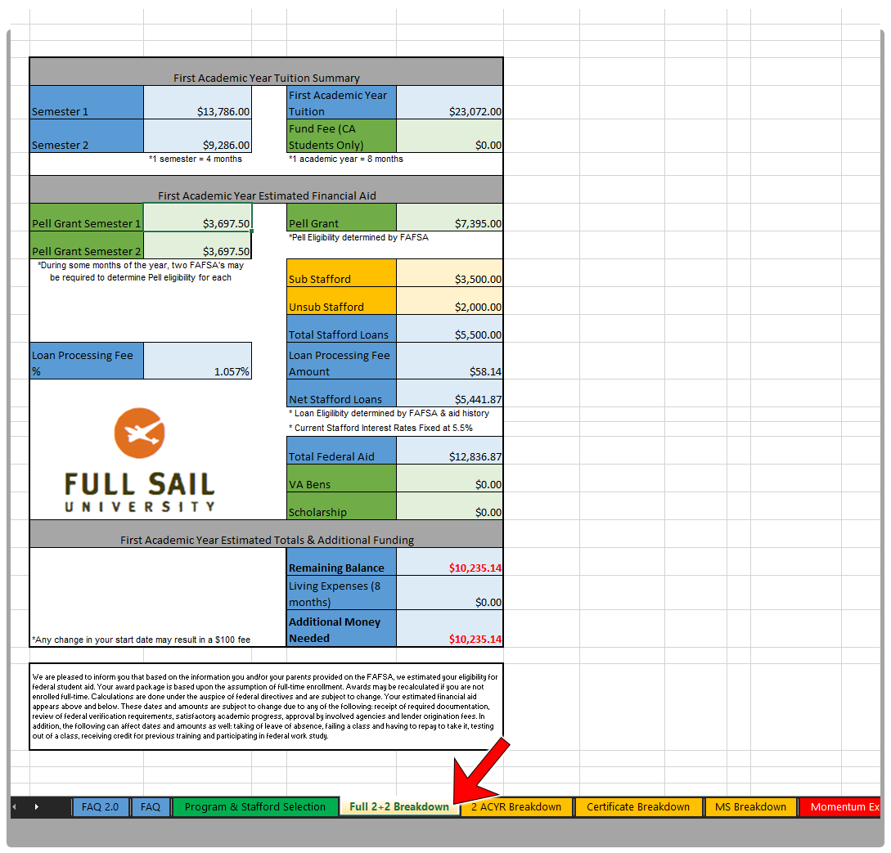
Step 3. Print As Usual!
The final step is to print as normal the sheet that is relevant to what you need for the program type!

Program & Stafford Selection
UndergradCT
 |  | Version 2.1.0
 | FIRST CREDNTIAL |  |  |  |  |  |  |  |  |  |  |  |  |  | Program Testers
 | Start Date | Program | Degree Level

AAS
Bachelors
 | Program Version | Total Credit Hours | TOTAL Tuition | Tuition | Launchbox | S1 | S2 | S3 | S4 | S5 | S6 | S7 | S8

2+2
GradCT
 | N/A
 |  |  | Tuition Override

Grad
Dependent
 | SECOND CREDENTIAL (IF APPLICABLE)
 | Start Date | Program | Degree Level

Independent
 | Program Version | Total Credit Hours | TOTAL Tuition | Tuition | Launchbox | S1 | S2 | S3 | S4 | S5 | S6 | S7 | S8

 | N/A
 |  |  | Tuition Override |  |  |  |  |  |  | $- | $- | $- | $-

 | UNDERGRAD STAFFORDS |  |  |  |  |  |  |  | MASTERS
 |  | Dep/Indep Sub | Dep Total Stafford | Indep Total Stafford |  |  |  |  |  | Total Stafford |  | Scholarships | Yes or No
 | Starting Amount | $23,000.00 | $31,000.00 | $57,500.00 |  |  |  |  | Starting Amount | $138,500.00 |  | TAS | No |  | These buttons above will auto fill out a program example of each type but not other data like Staff & Pell, etc. These are for testing purposes.
 | Used Amount | $- | $- | $- |  |  |  |  | Used Amount | $- |  | OMS | No
 | Remaining Amount | $23,000.00 | $31,000.00 | $57,500.00 |  |  |  |  | Remaining Amount | $138,500.00 |  | Teacher | No

 | Remaining | Sub Loans | Dep Unsub | Indep Unsub |  |  |  |  |  | Loan Amount
 | 1st ACYR | $23,000.00 | $31,000.00 | $57,500.00 |  |  |  |  | 1st ACYR | $138,500.00
 | 2nd ACYR | $18,500.00 | $24,500.00 | $51,500.00 |  |  |  |  | 2nd ACYR | $118,000.00
 | 3rd ACYR | $13,000.00 | $17,000.00 | $44,500.00
 | 4th ACYR | $7,500.00 | $9,500.00 | $37,500.00

 | Annual Limit | Sub Loans | Dep Unsub | Indep Unsub | Total | Dependency |  |  |  | Unsub Loans
 | 1st ACYR | $3,500.00 | $2,000.00 | $6,000.00 | $5,500.00 |  |  |  | 1st ACYR | $20,500.00
 | 2nd ACYR | $4,500.00 | $2,000.00 | $6,000.00 | $6,500.00 |  |  |  | 2nd ACYR | $17,500.00
 | 3rd ACYR | $5,500.00 | $2,000.00 | $7,000.00 | $7,500.00
 | 4th ACYR | $5,500.00 | $2,000.00 | $7,000.00 | $7,500.00
 |  |  |  |  |  |  |  |  |  |  |  |  |  | Gap Funding Comments
 |  |  |  |  |  |  |  |  |  |  |  |  |  | Ovl Bal: $ IND: SD/Prog: 1st ACYR Total Tuition: $ 1st ACYR Bal: $ 2nd ACYR Bal: $ 3rd ACYR Bal: $ 4th ACYR Bal: $ CA STRF: $ Pell: $ Comb Staffs: $ TAS/OMS: $ VA: $ Gap Funding:
 | FAFSA |  |  |  |  |  |  |  | SUPERCOURSERS
Yes | Has 1st BS? | SAI 1 | Schedule | SAI 2 | Min Pell 1 | Min Pell 2 |  | Schedule | Credits | STU LVL | MOME CAP | Qualifies? | PLB Opt Out
No | No |  | Full-Time |  | N | N |  |  | 0 | Freshman | N/A | N/A | No
 |  |  |  | OLPs
 | Overide Dependency Toggle |  |  | Sub | Unsub | OLP End Date
 | OFF |  | OFF
RESET BUTTON
 | PELL
 | Pell LEU Used
 | 0.000%
 | 0%

Certificate Breakdown
 | Tuition Breakdown

FULL TIME IS ACTIVE
 | - Undergrad Certificate Tuition Summary
 | Program: | #N/A | Start Date: | 0
 | Semester 1 | $0.00 | First Academic Year Tuition | $0.00
 | Semester 2 | $0.00 | Registration Fee *Included in Tuition | $0.00
 | *1 semester = 4 months *1 academic year = 8 months
 | Undergrad Certificate Estimated Financial Aid
 | Pell Grant Semester 1 |  | Pell Grant | #VALUE!
 | Pell Grant Semester 2 | $3,697.50 | *Pell Eligibility determined by FAFSA
 | *During some months of the year, two FAFSA's may be required to determine Pell eligibility for each semester |  | Sub Stafford | #N/A
 |  |  | Unsub Stafford | #N/A
1.06% |  |  | Total Stafford Loans | #N/A
1.06% | Loan Processing Fee % | 1.057% | Loan Processing Fee Amount | #N/A
 |  |  | Net Stafford Loans | #N/A
 |  |  | * Loan Eligilibity determined by FAFSA & aid history
 |  |  | * Current Stafford Interest Rates Fixed at 6.533%
 |  |  | Total Federal Aid | #VALUE!
 |  |  | VA Bens | $0.00
 |  |  | Scholarship | $0.00

 | Undergrad Certificate Estimated Totals
 | Cash Payment | $0.00 | Remaining Balance | #VALUE!
 | PLB Opt Out | $0.00

 | *Any change in your start date may result in a $100 fee |  |  | Version 2.1.0
 | We are pleased to inform you that based on the information you and/or your parents provided on the FAFSA, we estimated your eligibility for federal student aid. Your award package is based upon the assumption of full-time enrollment. Awards may be recalculated if you are not enrolled full-time. Calculations are done under the auspice of federal directives and are subject to change. Your estimated financial aid appears above and below. These dates and amounts are subject to change due to any of the following: receipt of required documentation, review of federal verification requirements, satisfactory academic progress, approval by involved agencies and lender origination fees. In addition, the following can affect dates and amounts as well: taking of leave of absence, failing a class and having to repay to take it, testing out of a class, receiving credit for previous training and participating in federal work study.

